清单
1) ENGLISH ITEM NAME (ex : OOOO machine) | 2) MANUFACTUROR (ex : OOO company) | 3) MODEL NO (ex : abc-123) | 4)Serial number | 5) VOLTAGE (ex : 220V) | 6) CAPACITY (ex :1200KW) | 7) Production date (yyyy-mm-dd) | 8) HS CODE (0000.00.00) | 9) ORIGIN (MADE IN JAPAN) | 10) NEW or USED (NEW) | 11) PICTURE (BEFORE PACKING) | 12) PICTURE (NAME PLATE) | 13)Quantity | 14)Total cost | 15)cost | 16)Issued qty | 17)CARTON NO | 18)CTN QTY | 19)G.W(KGS) | 20)N.W(KGS) | 21)L(cm) | 22)W(cm) | 23)H(cm) | 24)CBM | 25)应用范围 | 26)是否带电源 | 27)是否自行制造
CM-30 | Techsen Electronics(ShenZhen)Co.,Ltd | / | CM30J01A/CM30J01B | 220V |  | 2022-02-23 |  | China | New |  |  | 2 | 500 | RMB250/set | 2 | A1 | 1 | 12.9 | 11.5 | 50 | 34 | 37 | 0.062 | TEST USE | NO | YES （Note: Built-in speaker）
GT-1 test fixture | Techsen Electronics(ShenZhen)Co.,Ltd | GT-1 | GT1J3 |  |  | 2022-02-23 |  | China | New |  |  | 1 | 300 | RMB300/set | 1 | A2 | 1 | 35.1 | 33 | 65 | 46 | 50 | 0.15 | Assembly fixtuer | NO | YES
Shielding net | Techsen Electronics(ShenZhen)Co.,Ltd | GT-1 | GT1J2A |  |  | 2022-02-23 |  | China | New | 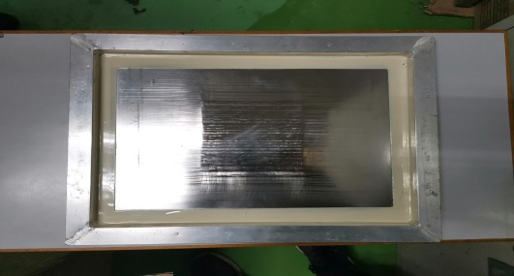 |  | 1 | 25 | RMB25/set | 1 | A2 | 1 |  |  |  |  |  |  | TEST USE | NO | NO
GT-1 JIG | Techsen Electronics(ShenZhen)Co.,Ltd | GT-1 | GT1J2B/GT1J2C |  |  | 2022-02-23 |  | China | New |  |  | 2 | 200 | RMB100/set | 2 | A2 | 1 |  |  |  |  |  |  | TEST USE | NO | YES
GT-1 assembiy fixture | Techsen Electronics(ShenZhen)Co.,Ltd | GT-1 | GT1F9A |  |  | 2022-02-23 |  | China | New | 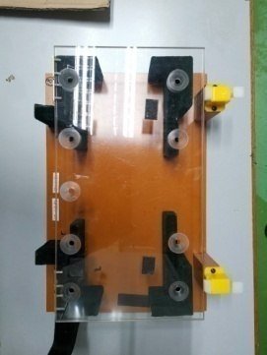 |  | 1 | 50 | RMB50/set | 1 | A2 | 1 |  |  |  |  |  |  | Assembly fixtuer | NO | YES
GT-1 assembiy fixture | Techsen Electronics(ShenZhen)Co.,Ltd | GT-1 | GT1F2A |  |  | 2022-02-23 |  | China | New |  |  | 1 | 25 | RMB25/set | 1 | A2 | 1 |  |  |  |  |  |  | Assembly fixtuer | NO | YES
GT-1 assembiy fixture | Techsen Electronics(ShenZhen)Co.,Ltd | GT-1 | GT1F7 |  |  | 2022-02-23 |  | China | New |  |  | 1 | 45 | RMB45/set | 1 | A2 | 1 |  |  |  |  |  |  | Assembly fixtuer | NO | YES
GT-1 assembiy fixture | Techsen Electronics(ShenZhen)Co.,Ltd | GT-1 | GT1F6 |  |  | 2022-02-23 |  | China | New |  |  | 1 | 45 | RMB45/set | 1 | A2 | 1 |  |  |  |  |  |  | Assembly fixtuer | NO | YES
GT-1 assembiy fixture | Techsen Electronics(ShenZhen)Co.,Ltd | GT-1 | GT1F3 |  |  | 2022-02-23 |  | China | New | 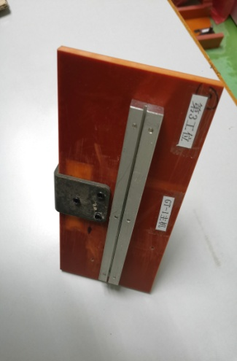 |  | 1 | 35 | RMB35/set | 1 | A2 | 1 |  |  |  |  |  |  | Assembly fixtuer | NO | YES
GT-1 assembiy fixture | Techsen Electronics(ShenZhen)Co.,Ltd | GT-1 | GT1F5A |  |  | 2022-02-23 |  | China | New |  |  | 1 | 25 | RMB25/set | 1 | A2 | 1 |  |  |  |  |  |  | Assembly fixtuer | NO | YES
GT-1 assembiy fixture | Techsen Electronics(ShenZhen)Co.,Ltd | GT-1 | GT1F4A |  |  | 2022-02-23 |  | China | New |  |  | 1 | 25 | RMB25/set | 1 | A2 | 1 |  |  |  |  |  |  | Assembly fixtuer | NO | YES
GT-1 assembiy fixture | Techsen Electronics(ShenZhen)Co.,Ltd | GT-1 | GT1F1 |  |  | 2022-02-23 |  | China | New |  |  | 1 | 45 | RMB45/set | 1 | A2 | 1 |  |  |  |  |  |  | Assembly fixtuer | NO | YES
GT-1 assembiy fixture | Techsen Electronics(ShenZhen)Co.,Ltd | GT-1 | GT1F4B |  |  | 2022-02-23 |  | China | New |  |  | 1 | 25 | RMB25/set | 1 | A2 | 1 |  |  |  |  |  |  | Assembly fixtuer | NO | YES
GT-1 assembiy fixture | Techsen Electronics(ShenZhen)Co.,Ltd | GT-1 | GT1F5B |  |  | 2022-02-23 |  | China | New |  |  | 1 | 25 | RMB25/set | 1 | A2 | 1 |  |  |  |  |  |  | Assembly fixtuer | NO | YES
GT-1 assembiy fixture | Techsen Electronics(ShenZhen)Co.,Ltd | GT-1 | GT1F2B |  |  | 2022-02-23 |  | China | New |  |  | 1 | 25 | RMB25/set | 1 | A2 | 1 |  |  |  |  |  |  | Assembly fixtuer | NO | YES
GT-1 assembiy fixture | Techsen Electronics(ShenZhen)Co.,Ltd | GT-1 | GT1F9B |  |  | 2022-02-23 |  | China | New | 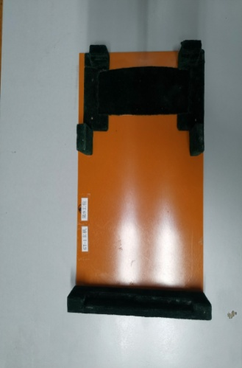 |  | 1 | 25 | RMB25/set | 1 | A2 | 1 |  |  |  |  |  |  | Assembly fixtuer | NO | YES
GT-1 assembiy fixture | Techsen Electronics(ShenZhen)Co.,Ltd | GT-1 | GT1P1 |  |  | 2022-02-23 |  | China | New |  |  | 1 | 25 | RMB25/set | 1 | A2 | 1 |  |  |  |  |  |  | Assembly fixtuer | NO | YES
GT-1 assembiy fixture | Techsen Electronics(ShenZhen)Co.,Ltd | GT-1 | GT1P2A/GT1P2B |  |  | 2022-02-23 |  | China | New | 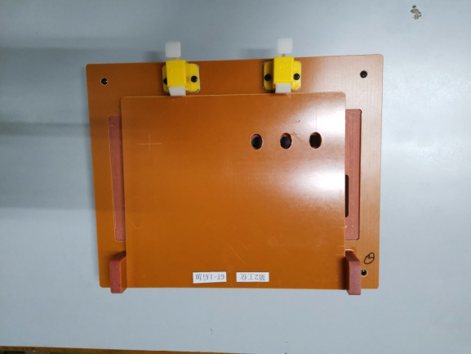 |  | 2 | 50 | RMB25/set | 2 | A2 | 1 |  |  |  |  |  |  | Assembly fixtuer | NO | YES
GT-1 PCBA test JIG | Techsen Electronics(ShenZhen)Co.,Ltd | GT-1 | GT1J2A/GT1J2B |  |  | 2022-02-23 |  | China | New | 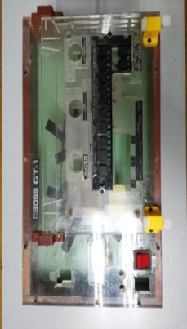 |  | 2 | 190 | RMB95/set | 2 | A2 | 1 |  |  |  |  |  |  | TEST USE | NO | YES
GT-1 assembiy fixture | Techsen Electronics(ShenZhen)Co.,Ltd | GT-1 | GT1F10 |  |  | 2022-02-23 |  | China | New | 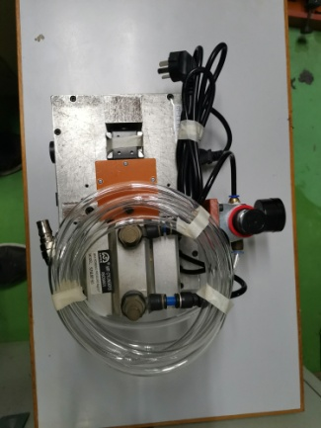 |  | 1 | 150 | RMB150/set | 1 | A2 | 1 |  |  |  |  |  |  | Assembly fixtuer | NO | YES
GT-1 Casing test JIG | Techsen Electronics(ShenZhen)Co.,Ltd | GT-1 | GT1A1A/GT1A1B |  |  | 2022-02-23 |  | China | New |  |  | 2 | 170 | RMB85/set | 2 | A3 | 1 | 25.6 | 24.2 | 49 | 40 | 36 | 0.071 | TEST USE | NO | YES
power adapter | Techsen Electronics(ShenZhen)Co.,Ltd | Test parts | / | 220V |  | 2022-02-23 |  | China | New |  |  | 2 | 90 | RMB45/set | 2 | A3 | 1 |  |  |  |  |  |  | TEST USE | NO | YES
GT-1 test weight(150g/400g) | Techsen Electronics(ShenZhen)Co.,Ltd | GT-1 | GT1F11A/GT1F11B |  |  | 2022-02-23 |  | China | New |  |  | 2 | 200 | RMB100/set | 2 | A3 | 1 |  |  |  |  |  |  | TEST USE | NO | YES
GT-1 test weight600g) | Techsen Electronics(ShenZhen)Co.,Ltd | GT-1 | GT1F12 |  |  | 2022-02-23 |  | China | New |  |  | 1 | 100 | RMB100/set | 1 | A3 | 1 |  |  |  |  |  |  | TEST USE | NO | YES
GT-1 test weight(350g) | Techsen Electronics(ShenZhen)Co.,Ltd | GT-1 | GT1F13 |  |  | 2022-02-23 |  | China | New |  |  | 1 | 100 | RMB100/set | 1 | A3 | 1 |  |  |  |  |  |  | TEST USE | NO | YES
GT-1 Casing test cable | Techsen Electronics(ShenZhen)Co.,Ltd | Test parts | / |  |  | 2022-02-23 |  | China | New |  |  | 4 | 8 | RMB2/set | 4 | A3 | 1 |  |  |  |  |  |  | TEST USE | NO | YES
button switch | Techsen Electronics(ShenZhen)Co.,Ltd | Test parts | / |  |  | 2022-02-23 |  | China | New |  |  | 8 | 40 | RMB5/set | 8 | A3 | 1 |  |  |  |  |  |  | Test parts | NO | NO
switch | Techsen Electronics(ShenZhen)Co.,Ltd | Test parts | / |  |  | 2022-02-23 |  | China | New |  |  | 20 | 60 | RMB3/set | 20 | A3 | 1 |  |  |  |  |  |  | Test parts | NO | NO
P100 test prode | Techsen Electronics(ShenZhen)Co.,Ltd | ROLAND general | / |  |  | 2022-02-23 |  | China | New |  |  | 1 | 120 | RMB120/set | 1 | A3 | 1 |  |  |  |  |  |  | Test parts | NO | NO
test prode | Techsen Electronics(ShenZhen)Co.,Ltd | ROLAND general | / |  |  | 2022-02-23 |  | China | New |  |  | 1 | 120 | RMB120/set | 1 | A3 | 1 |  |  |  |  |  |  | Test parts | NO | NO
RW100 test prode | Techsen Electronics(ShenZhen)Co.,Ltd | ROLAND general | / |  |  | 2022-02-23 |  | China | New |  |  | 2 | 100 | RMB50/set | 2 | A3 | 1 |  |  |  |  |  |  | Test parts | NO | NO
P100-H2 test prode | Techsen Electronics(ShenZhen)Co.,Ltd | Test parts | / |  |  | 2022-02-23 |  | China | New |  |  | 3 | 150 | RMB50/set | 3 | A3 | 1 |  |  |  |  |  |  | Test parts | NO | NO
6.5mm jack | Techsen Electronics(ShenZhen)Co.,Ltd | Test parts | / |  |  | 2022-02-23 |  | China | New |  |  | 10 | 50 | RMB5/set | 10 | A3 | 1 |  |  |  |  |  |  | Test parts | NO | NO
3.5mm Audio cable | Techsen Electronics(ShenZhen)Co.,Ltd | ROLAND general | / |  |  | 2022-02-23 |  | China | New |  |  | 20 | 120 | RMB6/set | 20 | A3 | 1 |  |  |  |  |  |  | Test parts | NO | NO
usb cable | Techsen Electronics(ShenZhen)Co.,Ltd | Test parts | / |  |  | 2022-02-23 |  | China | New |  |  | 5 | 40 | RMB8/set | 5 | A3 | 1 |  |  |  |  |  |  | Test parts | NO | NO
RCA cable | Techsen Electronics(ShenZhen)Co.,Ltd | Test parts | / |  |  | 2022-02-23 |  | China | New |  |  | 1 | 10 | RMB10/set | 1 | A3 | 1 |  |  |  |  |  |  | Test parts | NO | NO
6.5/RCA Audio cable | Techsen Electronics(ShenZhen)Co.,Ltd | ROLAND general | / |  |  | 2022-02-23 |  | China | New |  |  | 2 | 24 | RMB12/set | 2 | A3 | 1 |  |  |  |  |  |  | Test parts | NO | NO
6.5 Mono Audio cable | Techsen Electronics(ShenZhen)Co.,Ltd | Test parts | / |  |  | 2022-02-23 |  | China | New |  |  | 3 | 36 | RMB12/set | 3 | A3 | 1 |  |  |  |  |  |  | Test parts | NO | NO
6.5 Double Audio cable | Techsen Electronics(ShenZhen)Co.,Ltd | Test parts | / |  |  | 2022-02-23 |  | China | New |  |  | 1 | 13 | RMB13/set | 1 | A3 | 1 |  |  |  |  |  |  | Test parts | NO | NO
power switch | Techsen Electronics(ShenZhen)Co.,Ltd | Test parts | / |  |  | 2022-02-23 |  | China | New |  |  | 4 | 20 | RMB5/set | 4 | A3 | 1 |  |  |  |  |  |  | Test parts | NO | NO
Six Point Sockets | Techsen Electronics(ShenZhen)Co.,Ltd | Test parts | / |  |  | 2022-02-23 |  | China | New |  |  | 5 | 30 | RMB6/set | 5 | A3 | 1 |  |  |  |  |  |  | Assembly fixtuer | NO | NO
L six Angle | Techsen Electronics(ShenZhen)Co.,Ltd | Test parts | / |  |  | 2022-02-23 |  | China | New |  |  | 5 | 20 | RMB4/set | 5 | A3 | 1 |  |  |  |  |  |  | Assembly fixtuer | NO | NO
90 KWH | Techsen Electronics(ShenZhen)Co.,Ltd | GT-1 | / | 220V |  | 2022-02-23 |  | China | New |  |  | 1 | 1300 | RMB1300/set | 1 | A3 | 1 |  |  |  |  |  |  | Assembly fixtuer | NO | NO
Tie pliers | Techsen Electronics(ShenZhen)Co.,Ltd | ROLAND general | / |  |  | 2022-02-23 |  | China | New |  |  | 2 | 100 | RMB50/set | 2 | A3 | 1 |  |  |  |  |  |  | Assembly fixtuer | NO | NO
AC adapter | Techsen Electronics(ShenZhen)Co.,Ltd | ROLAND general | / | 220V |  | 2022-02-23 |  | China | New | 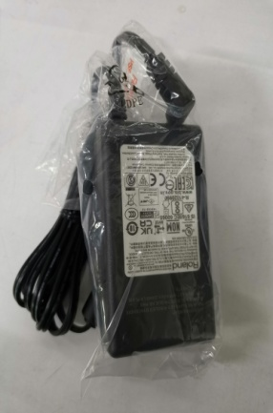 |  | 10 | 350 | RMB35/set | 10 | A3 | 1 |  |  |  |  |  |  | Test parts | NO | NO
packing tape dispenser | Techsen Electronics(ShenZhen)Co.,Ltd | ROLAND general | / | 220V |  | 2022-02-23 |  | China | New |  |  | 2 | 500 | RMB250/set | 2 | A3 | 1 |  |  |  |  |  |  | Assembly fixtuer | NO | NO
AC cable | Techsen Electronics(ShenZhen)Co.,Ltd | ROLAND general | / |  |  | 2022-02-23 |  | China | New |  |  | 10 | 30 | RMB3/set | 10 | A3 | 1 |  |  |  |  |  |  | Test parts | NO | NO
fuse | Techsen Electronics(ShenZhen)Co.,Ltd |  | / |  |  | 2022-02-23 |  | China | New |  |  | 22 | 22 | RMB1/set | 22 | A3 | 1 |  |  |  |  |  |  | parts | NO | NO
Screen printing scraper | Techsen Electronics(ShenZhen)Co.,Ltd |  | / |  |  | 2022-02-23 |  | China | New | 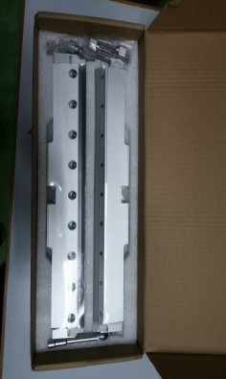 |  | 2 | 1000 | RMB500/set | 2 | A3 | 1 |  |  |  |  |  |  | parts | NO | NO
DB-90 Casing | Techsen Electronics(ShenZhen)Co.,Ltd | DB-90 Casing | / |  |  | 2022-02-23 |  | China | New |  |  | 2 | 1600 | RMB800/set | 2 | A4 | 1 | 9.5 | 8.2 | 59 | 42 | 27 | 0.067 | DB-90 Casing | NO | YES
GA-FC Casing | Techsen Electronics(ShenZhen)Co.,Ltd | GA-FC Casing | / |  |  | 2022-02-23 |  | China | New |  |  | 2 | 1600 | RMB800/set | 2 | A4 | 1 |  |  |  |  |  |  | GA-FC Casing | NO | YES
MIDI Cable | Techsen Electronics(ShenZhen)Co.,Ltd | Test parts | / |  |  | 2022-02-23 |  | China | New | 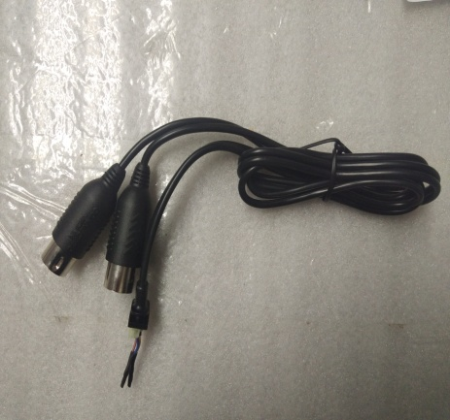 |  | 2 | 20 | RMB10/set | 2 | A4 | 1 |  |  |  |  |  |  | Test parts | NO | YES
9v2A AC adapter | Techsen Electronics(ShenZhen)Co.,Ltd | Test parts | / | 220V |  | 2022-02-23 |  | China | New | 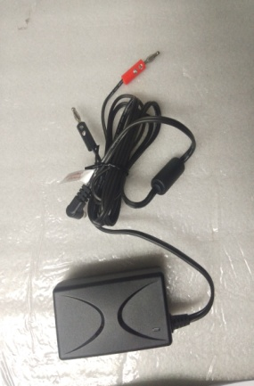 |  | 1 | 35 | RMB35/set | 1 | A4 | 1 |  |  |  |  |  |  | Test parts | NO | NO
9v2A AC adapter | Techsen Electronics(ShenZhen)Co.,Ltd | Test parts | / | 220V |  | 2022-02-23 |  | China | New | 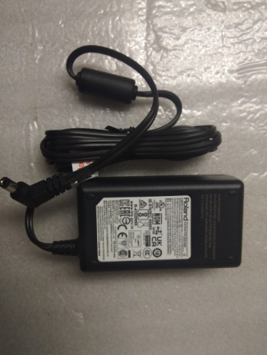 |  | 6 | 210 | RMB35/set | 6 | A4 | 1 |  |  |  |  |  |  | Test parts | NO | NO
BNC/RCA Cable | Techsen Electronics(ShenZhen)Co.,Ltd | Test parts | / |  |  | 2022-02-23 |  | China | New |  |  | 3 | 30 | RMB10/set | 3 | A4 | 1 |  |  |  |  |  |  | Test parts | NO | NO
RCA Cable | Techsen Electronics(ShenZhen)Co.,Ltd | Test parts | / |  |  | 2022-02-23 |  | China | New | 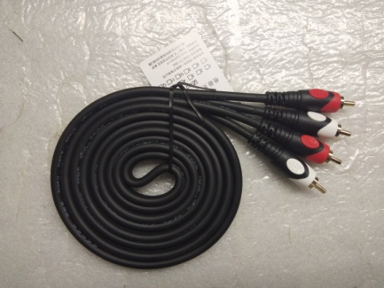 |  | 3 | 39 | RMB13/set | 3 | A4 | 1 |  |  |  |  |  |  | Test parts | NO | NO
UM-ONE MK2 POWER JIG | Techsen Electronics(ShenZhen)Co.,Ltd | Test JIG | UM-ONE MK2TEST JIG |  |  | 2022-02-23 |  | China | New | 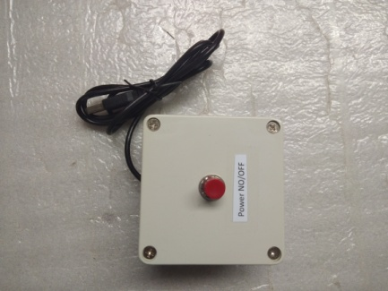 |  | 1 | 30 | RMB30/set | 1 | A4 | 1 |  |  |  |  |  |  | Test JIG | NO | YES
UM-ONE MK2 CASING | Techsen Electronics(ShenZhen)Co.,Ltd | UM-ONE MK2 CASING | / |  |  | 2022-02-23 |  | China | New | 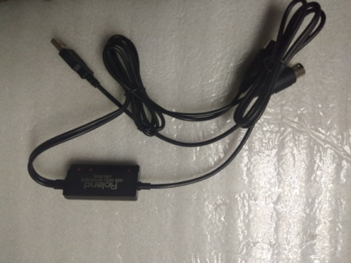 |  | 2 | 1000 | RMB500/set | 2 | A4 | 1 |  |  |  |  |  |  | UM-ONE MK2 CASING | NO
6.5mm jack | Techsen Electronics(ShenZhen)Co.,Ltd | Test parts | / |  |  | 2022-02-23 |  | China | New | 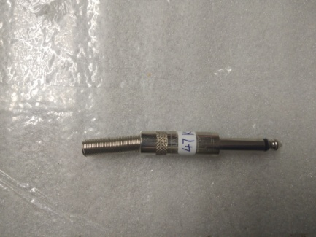 |  | 1 | 5 | RMB5/set | 1 | A4 | 1 |  |  |  |  |  |  | Test parts | NO | YES
6.5mm cable | Techsen Electronics(ShenZhen)Co.,Ltd | Test parts | / |  |  | 2022-02-23 |  | China | New | 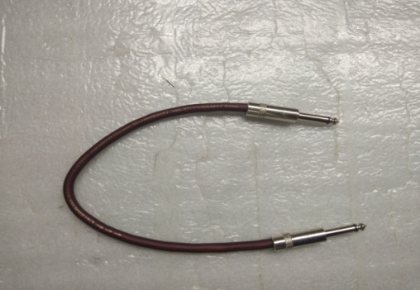 |  | 5 | 60 | RMB12/set | 5 | A4 | 1 |  |  |  |  |  |  | Test parts | NO | YES
AC cable | Techsen Electronics(ShenZhen)Co.,Ltd | Test parts | / |  |  | 2022-02-23 |  | China | New | 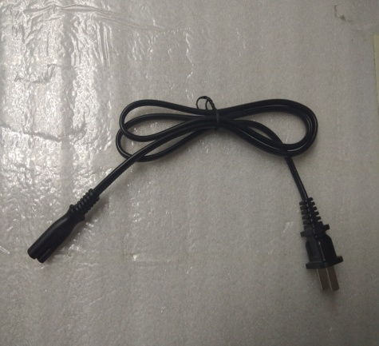 |  | 7 | 21 | RMB3/set | 7 | A4 | 1 |  |  |  |  |  |  | Test parts | NO | NO
DC cable | Techsen Electronics(ShenZhen)Co.,Ltd | Test parts | / |  |  | 2022-02-23 |  | China | New |  |  | 1 | 5 | RMB5/set | 1 | A4 | 1 |  |  |  |  |  |  | Test parts | NO | YES
3.5mm cable (two terninal) | Techsen Electronics(ShenZhen)Co.,Ltd | Test parts | / |  |  | 2022-02-23 |  | China | New |  |  | 3 | 18 | RMB6/set | 3 | A4 | 1 |  |  |  |  |  |  | Test parts | NO | NO
6.5mm jack | Techsen Electronics(ShenZhen)Co.,Ltd | Test parts | / |  |  | 2022-02-23 |  | China | New |  |  | 4 | 20 | RMB5/set | 4 | A4 | 1 |  |  |  |  |  |  | Test parts | NO | NO
3.5/RCA Cable | Techsen Electronics(ShenZhen)Co.,Ltd | Test parts | / |  |  | 2022-02-23 |  | China | New | 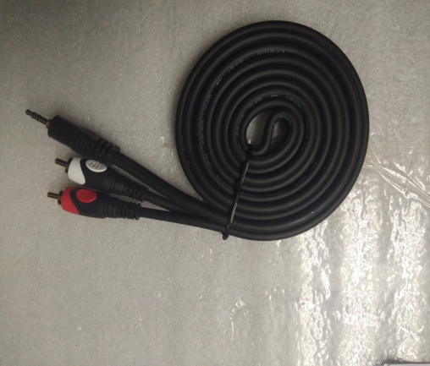 |  | 3 | 36 | RMB12/set | 3 | A4 | 1 |  |  |  |  |  |  | Test parts | NO | NO
3.5mm cable (one terninal) | Techsen Electronics(ShenZhen)Co.,Ltd | Test parts | / |  |  | 2022-02-23 |  | China | New |  |  | 2 | 10 | RMB5/set | 2 | A4 | 1 |  |  |  |  |  |  | Test parts | NO | NO
6.5/RCA Cable | Techsen Electronics(ShenZhen)Co.,Ltd | Test parts | / |  |  | 2022-02-23 |  | China | New | 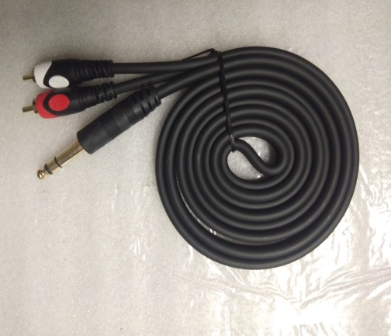 |  | 3 | 36 | RMB12/set | 3 | A4 | 1 |  |  |  |  |  |  | Test parts | NO | NO
6.5/6.5 Cable | Techsen Electronics(ShenZhen)Co.,Ltd | Test parts | / |  |  | 2022-02-23 |  | China | New | 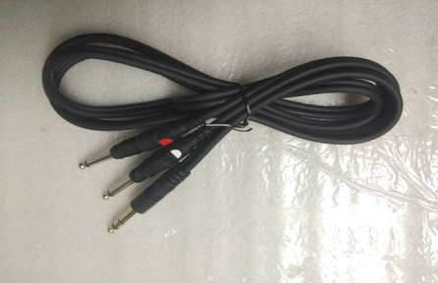 |  | 1 | 20 | RMB20/set | 1 | A4 | 1 |  |  |  |  |  |  | Test parts | NO | YES
cable splitter | Techsen Electronics(ShenZhen)Co.,Ltd | Test JIG | CABLE ASSORT JIG |  |  | 2022-02-23 |  | China | New |  |  | 2 | 50 | RMB25/set | 2 | A4 | 1 |  |  |  |  |  |  | Test JIG | NO | YES

